Cutting Force
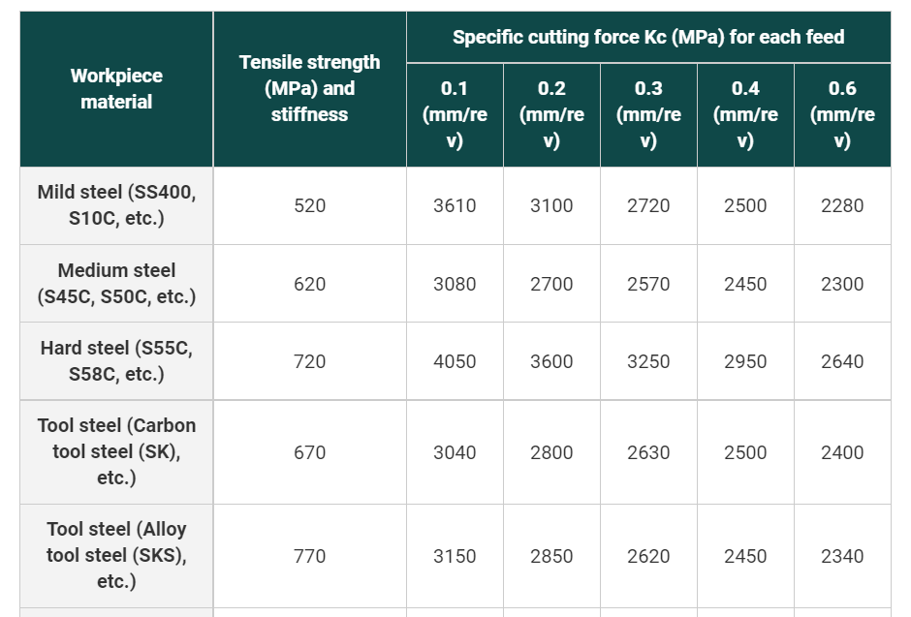
For Milling operation
 | Band Saw |  | Circular Saw
Feed rate | 3.50 | in/s | 2.50 | in/s
Feed rate | 0.0889 | m/s | 0.0635 | m/s
Cutting Speed | 4,160 | ft/min | 1,800 | rpm
Cutting Speed | 21.1328 | m/s | 56.5200 | m/s
HP | 20 | hp | 10 | hp
Efficiency | 0.90 |  | 0.90
Cutting Force Available Based on Power (90%) | 142.7885 | lbs | 165.0000 | lbs
Efficiency | 0.75 |  | 0.75
Cutting Force Available Based on Power (75%) | 118.9904 | lbs | 137.5000 | lbs

https://www.carrlane.com/engineering-resources/technical-information/power-workholding/design-information/machining-operations-fixture-layout
https://www.dapra.com/resources/milling-formulas

Circular&Band Saw-Wood Research
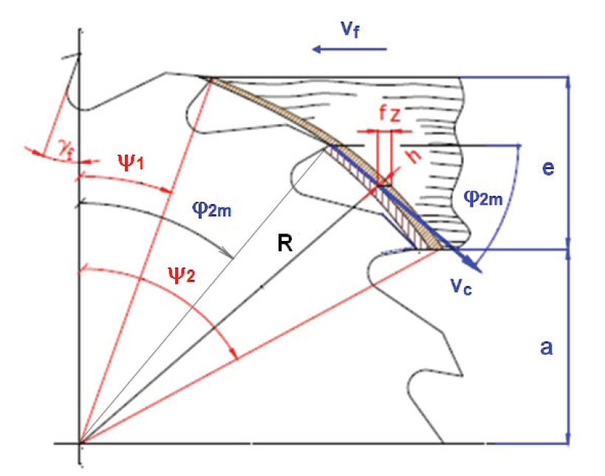
Blade Cutting Force |  |  |  |  |  |  |  |  | Ref: | http://www.woodresearch.sk/wr/201405/11.pdf
Blade Type | Circular Saw |  |  |  | BandSaw (Nail) |  | BandSaw (Wood)
Blade Diameter | 270 | mm | 600 | mm
Blade Radius | 135 | mm | 300 | mm
No. of Teeth | 42 |  | 78
Tooth Width-Kerf (b) | 3 | mm | 4.2 | mm | 1.651 | mm | 1.651 | mm
Depth of Cut-Dia of Nail (e) | 3.429 | mm | 3.429 | mm | 3.429 | mm | 139.7 | mm
Feed Velocicty (Vf) | 2.5 | in/s | 2.5 | in/s | 3.5 | in/s | 5 | in/s
Feed Velocicty (Vf) | 12.5 | ft/min | 12.5 | ft/min | 17.5 | ft/min | 25 | ft/min
Feed Velocicty (Vf) | 63.5 | mm/sec | 63.5 | mm/sec | 88.9 | mm/sec | 127 | mm/sec
Blade Speed | 1800 | rpm | 1800 | rpm | 4160 | ft/min | 4160 | ft/min
Cutting Velocicty (Vc) | 25434 | mm/sec | 56520 | mm/sec | 21132.8 | mm/sec | 21132.8 | mm/sec
Specific Cutting Force (Kc) | 245 | Kgf/mm2 | 245 | Kgf/mm2 | 245 | Kgf/mm2 | 10.815789474 | Kgf/mm2
Specific Cutting Force (Kc) | 2402.715 | MPa | 2402.715 | MPa | 2402.715 | MPa | 106.07044737 | MPa
Cutting Force | 61.709220119 | N | 38.876808675 | N | 57.221802769 | N | 147.02275548 | N
Cutting Force | 13.873475746 | lbf | 8.7402897202 | lbf | 12.864613932 | lbf | 33.053677042 | lbf
Horse Power | 2.1039038935 | HP | 2.9454654508 | HP | 1.6209878198 | HP | 4.1648826904 | HP

 |  |  |  |  |  | https://asia.kyocera.com/products/cuttingtools/wp-content/uploads/2016/11/R.Tehnical-information-cmp.pdf
 |  |  |  |  |  | Specific Cutting Force (Kc)
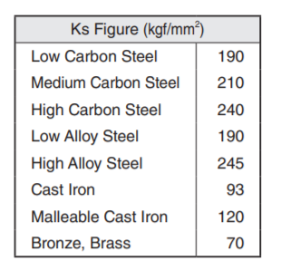

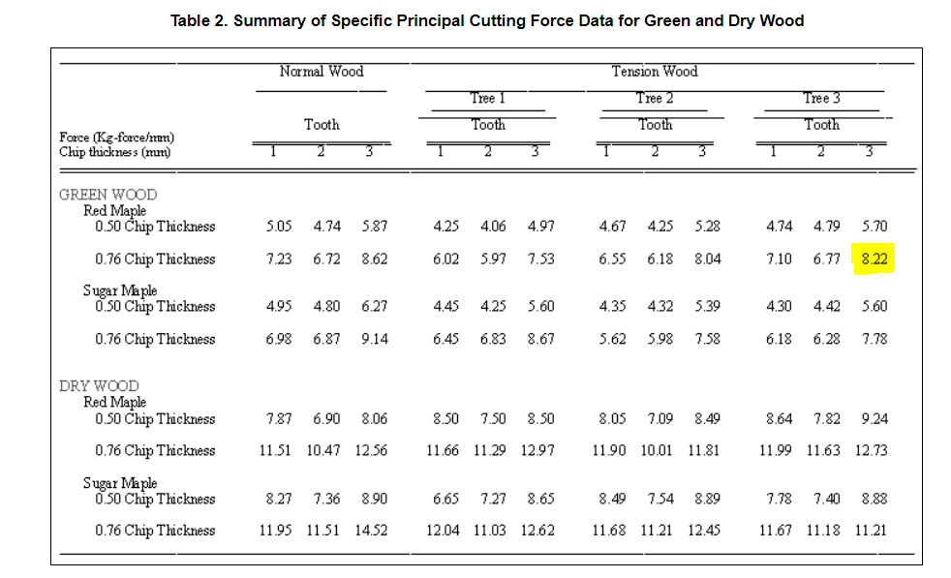

 |  |  |  |  | http://www.fao.org/3/xii/0886-a2.htm

 |  |  |  | Force | 8.22 | kgf/mm
 |  |  |  | Chip thickness | 0.76 | mm
 |  |  |  | Specific force | 10.815789474

Circular & Band Saw-Milling GD
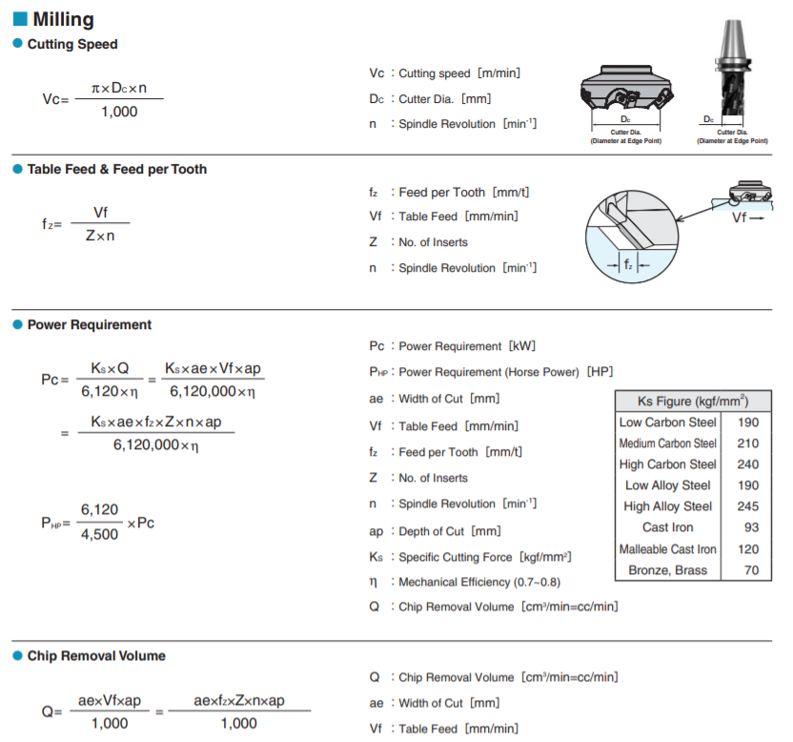
Blade Cutting Force
Blade Type | Circular Saw |  |  |  | BandSaw
Blade Diameter (Tire Dia for Band Saw) | 270 | mm | 600 | mm | 807.72 | mm
Blade Radius | 135 | mm | 300 | mm | 403.86 | mm
No. of Teeth | 42 |  | 78
Tooth Width (b) | 3 | mm | 4.2 | mm | 1.651 | mm
Depth of Cut (e) | 3.429 | mm | 3.429 | mm | 3.429 | mm
Feed Velocicty (Vf) | 2.5 | in/s | 2.5 | in/s | 3.5 | in/s
Feed Velocicty (Vf) | 12.5 | ft/min | 12.5 | ft/min | 17.5 | ft/min
Feed Velocicty (Vf) | 3810 | mm/min | 3810 | mm/min | 5334 | mm/min
Motor RPM | 1800 | rpm | 1800 | rpm | 505 | rpm
Cutting Velocicty (Vc) | 1526.04 | m/min | 3391.2 | m/min | 1280.801604 | m/min
Specific Cutting Force (Kc) | 245 | Kgf/mm2 | 245 | Kgf/mm2 | 245 | Kgf/mm2
Specific Cutting Force (Kc) | 2402.715 | MPa | 2402.715 | MPa | 2402.715 | MPa
Feed per tooth | 0.050396825397 | mm/t | 0.027136752137 | mm/t
Power | 2.0920261765 | KW | 2.9288366471 | KW | 1.6118364348 | KW
Power | 2.8043246333 | HP | 3.9260544867 | HP | 2.1606386525 | HP
Cutting Force | 82.253132676 | N | 51.819473586 | N | 75.507546043 | N
Cutting Force | 18.492161123 | lb | 11.650061508 | lb | 16.975617366 | lb

 |  |  |  |  |  | https://asia.kyocera.com/products/cuttingtools/wp-content/uploads/2016/11/R.Tehnical-information-cmp.pdf

Blade Force
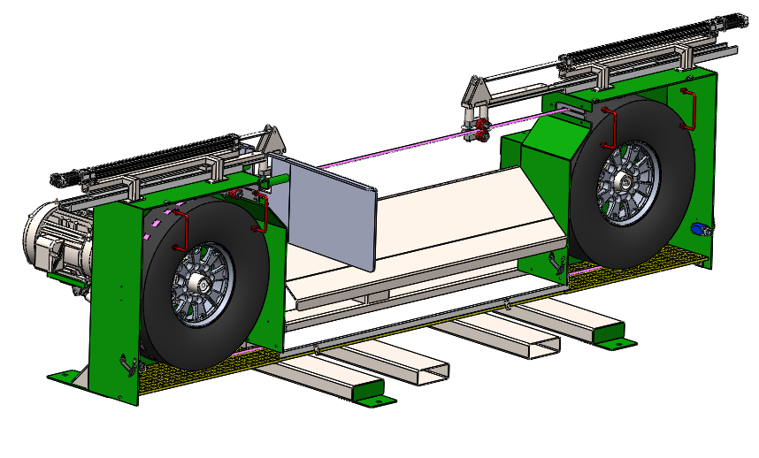
Blade Force due to the torque applied
Gear Box Output Torque- Calculated (C2) | LB-IN | 2481.742762
Diameter of the Tire | FT | 2.65
Diameter of the Tire | IN | 31.8
Radius of the Tire (C5) | IN | 15.9
Tangential Force on Tire | LB | 156.08445044 | Torque/Radius of the tire

Force=Torque/Radius of the tire

Disc Wedge Force
Diameter of Nail(D) | 0.135 | in | 0.135 | in | 0.135 | in | 0.135 | in
Specific Gravity of wood (SG) | 0.4 |  | 0.8 |  | 0.4 |  | 0.8
Penetration | 1 | in | 1 | in | 1 | in | 1 | in
Nail Withdrawal force (2 Wedges) | 37.704468998 | lb | 213.28868567 | lb | 37.704468998 | lb | 213.28868567 | lb
Coefficient of friction | 0.6 |  | 0.6 |  | 0.6 |  | 0.6
Wedge Angle (See drawing below) | 6.56 | deg | 20 | deg | 9.52 | deg | 9.52 | deg
Nc | 27.723874263 | lb | 156.82991594 | lb | 27.723874263 | lb | 156.82991594 | lb
Nb | 16.634324558 | lb | 94.097949562 | lb | 16.634324558 | lb | 94.097949562 | lb
Fc | 22.622681399 | lb | 127.9732114 | lb | 22.622681399 | lb | 127.9732114 | lb
Nd | 26.105369169 | lb | 136.98075919 | lb | 25.541057497 | lb | 144.48203964 | lb
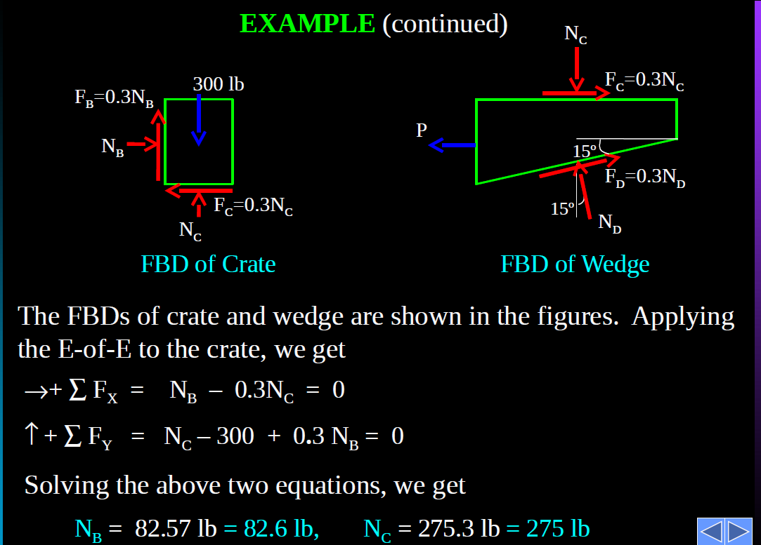
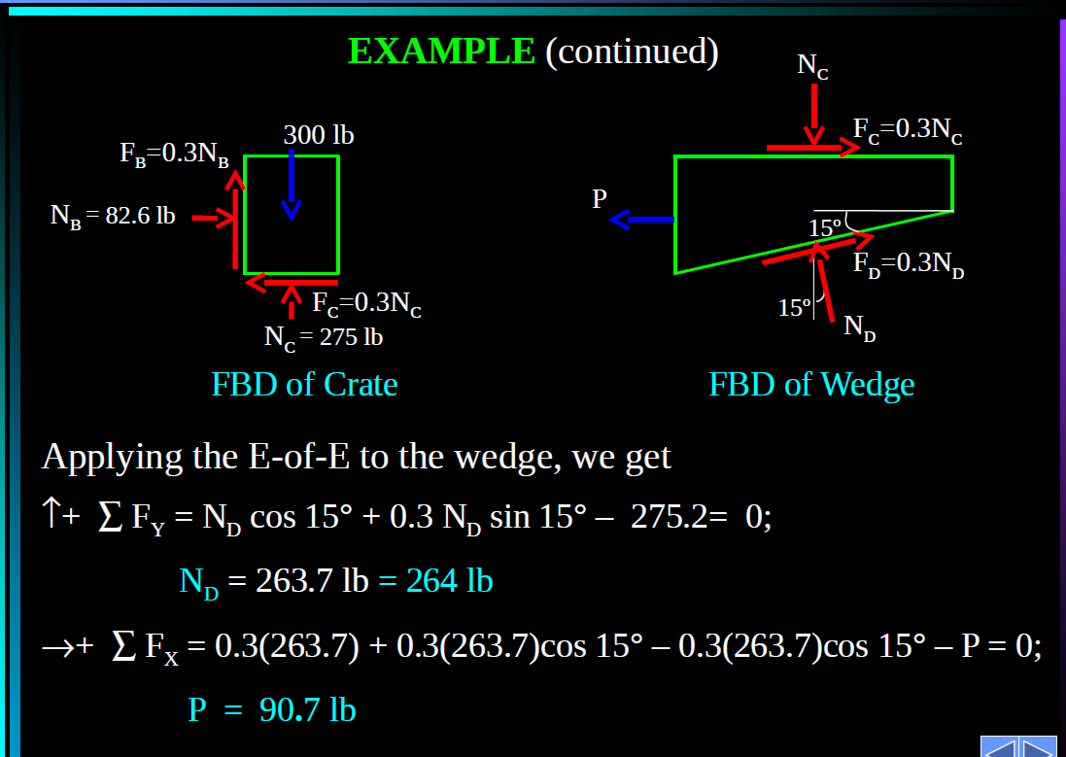
Wedge Force P | 15.663221501 | lb | 82.188455515 | lb | 15.324634498 | lb | 86.689223782 | lb
 |  |  |  |  | Min |  | Max

 |  |  |  |  | https://www.engineeringtoolbox.com/friction-coefficients-d_778.html

Impact Force
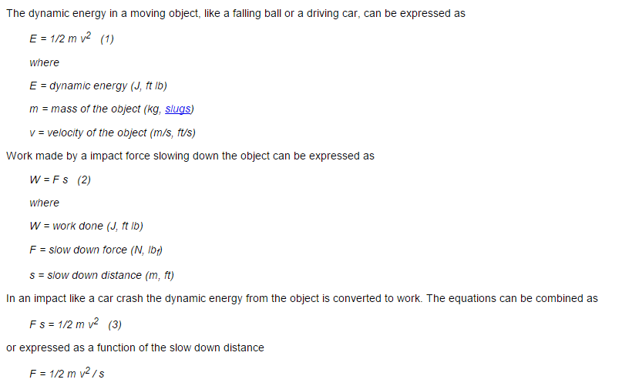
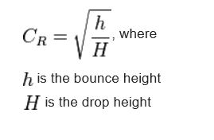
Calculation of the Impact force for the Pallets - Movement through Blade (Fx)
Inputs | Symbol | Unit | Value | Dynamic Energy of the Moving Object (DE) in ft Lb | Distance of travel of pallet after impact (a) in feet | Impact Force in Lb (Fx)
 |  |  |  | = 0.5*m*v2 | = e* SQRT (S) | = DE / a
Pallet Weight | m | Lb | 70 | 0.1 | 0.01 | 6.8 | 0.029915459688 | kN
Pallet velocity | v | ft/sec | 0.25
Travel Distance before Impact | S | ft | 0.25
coefficient of restitution | e |  | 0.02

